3날R
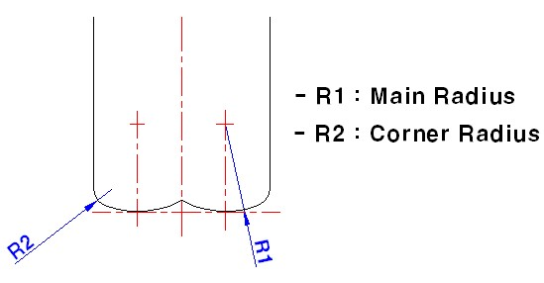
* 4G MILLS 고이송용 3날 래디우스 (Double Corner)
<<더블코너 R>>

EDP NO. | 소비자가 | 인선 | 코너R (R2) | 바닥R (R1) | 날길이 | 온길이 | 생크
SEME6306005 | 35,800 | 6 | 0.5 | 6 | 10 | 90 | 6
SEME6306010 | 35,800 |  | 1.0
SEME6306020 | 35,800 |  | 2.0
SEME6308005 | 53,900 | 8 | 0.5 | 8 | 16 | 100 | 8
SEME6308010 | 53,900 |  | 1.0
SEME6308020 | 53,900 |  | 2.0
SEME6310005 | 68,900 | 10 | 0.5 | 10 | 20 | 100 | 10
SEME6310010 | 68,900 |  | 1.0
SEME6310020 | 68,900 |  | 2.0
SEME6312005 | 94,400 | 12 | 0.5 | 12 | 24 | 110 | 12
SEME6312010 | 94,400 |  | 1.0
SEME6312020 | 94,400 |  | 2.0
SEME6316005 | 216,400 | 16 | 0.5 | 16 | 32 | 150 | 16
SEME6316010 | 216,400 |  | 1.0
SEME6320005 | 277,400 | 20 | 0.5 | 20 | 40 | 150 | 20
SEME6320010 | 277,400 |  | 1.0

